804269
Gmt Shrinkage Test & Marker Allowance Adjustment Report

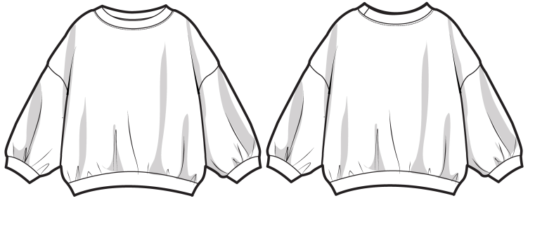
Buyer : OLD NAVY |  |  |  |  |  |  |  |  | Color :
Description : |  |  |  |  |  |  |  |  | Lot #:
Sty# / P.O# 808004

Garment wash | Yes |  | No | Verified shrinkage rate : |  |  |  |  | % in length |  | % in width
Fabric wash | Yes |  | No | Verified sewing allowance : |  |  |  | inch in length |  |  | inch in width

 | SIZE | 18/24 | Original 패턴 |  |  |  |  |  | 1차 패턴 수정 (1st adjustment) |  |  |  |  |  | 2 차 패턴 수정 2nd adjustment
Gmts Point of m/ments | Size spec | Tol (+-) | Pattern measured | Difference +/- | GMT measurement |  |  |  | allowance adjustment 패턴 수정분 | Pattern measured 변경 부위 패턴 측정 | 1st finalized pattern 1차 최종패턴 | GMT measurement |  |  | allowance adjustment 패턴 수정분 | Pattern measured변경 부위 패턴 측정 | 2nd finalized pattern 2차 최종패턴 | GMT measurement
 |  |  |  |  | 1 | 2 | 3 |  |  |  |  | 1 | 2 | 3 |  |  |  | 1 | 2 | 3
Neck Width Seam to Seam | 6.75 | 0.25 | 6.75 | 0
Front Neck Drop: Imaginary Line to Seam | 2.875 | 0.125 | 2.875 | 0
Back Neck Drop: Imaginary Line to Seam | 1.75 | 0.125 | 1.75 | 0
Trim Height Neck | 0.625 | 999 | 0.625 | 0
Shoulder Slope Graded | 1.5 | 0.125 | 1.5 | 0
Shoulder Seam Forward even at Neck and Armhole | 0.375 | 999 | 0.375 | 0
Shoulder Width Seam to Seam at Front Dropped | 13 | 0.25 | 13 | 0
High Chest @1/2 Armhole Dropped | 12 | 0.25 | 12 | 0
High Back @ 1/2 Armhole Dropped | 12 | 0.25 | 12 | 0
Chest at Armhole | 13.5 | 0.375 | 13.4375 | -0.0625
Width __ above Rib/Cuff Seam 2" - Straight Body | 14.625 | 0.375 | 14.625 | 0
Bottom Opening Straight AT EDGE | 11 | 0.375 | 11 | 0
Trim Height SELF Bottom | 1.5 | 999 | 1.5 | 0
Sleeve Length from Center Back Long Sleeve | 16 | 0.375 | 16 | 0
Armhole Straight - 2 Point Measurement | 6 | 0.25 | 6 | 0
Bicep 1" below Armhole | 5.875 | 0.25 | 6 | 0.125
Width __ above Rib/Cuff Seam 2" - Sleeve | 5.5 | 0.125 | 5.5 | 0
Sleeve Opening AT EDGE Long | 3.125 | 0.125 | 3.125 | 0
Trim Height SELF Sleeve | 1.25 | 999 | 1.25 | 0
CF Body Length from the Imaginary Line at the HPS to the Bottom Edge | 14 | 0.375 | 14.125 | 0.125
CB Body Length from the Imaginary Line at the HPS to the Bottom Edge | 14.5 | 0.375 | 14.625 | 0.125
Minimum Neck Stretch | 21 | 0.5 | 21 | 0
 | adjustment needed? |  |  | Yes |  | NO |  |  | 2nd adjustment needed? |  | Yes |  | NO |  | 3rd adjustment needed? |  | Yes |  | NO
 | POM needed : |  |  |  |  |  |  |  | POM needed : |  |  |  |  |  | POM needed :
 | Date : 29/09/2021 |  |  |  |  |  |  |  | Date : |  |  |  |  |  | Date :

Sigh by Pattern maker |  |  |  | Sigh by Cutting mgr |  |  |  |  | Sign by Production mgr

Sheet1
